Sheet1
100% Annexation Timeline - City Council Action Date Driven
Input City Receipt Date of Annexation Applications: | 2026-08-05
Input City Council Hearing Date: | 2026-09-23
Task | Date
City receives Annexation applications of 100% of proposed annexation territory | 2026-08-05
NO MORE THAN 20 Business Days - City publishes Notice of Public Hearing pursuant to Iowa Code Chapter 618 | 2026-08-26
NO LESS THAN 14 Business Days - City sends notices as required in Iowa Code Chapter 368 | 2026-09-03
NO LATER THAN 10 Business Days - City publishes Notice of Public Hearing pursuant to Iowa Code Chapter 618 | 2026-09-09
Public Hearing & City Council Action | 2026-09-23
City Development Board Submission Deadline | 2026-10-10
City Development Board considers the proposal & approves the Annexation | 2026-10-14
City Development Board sends final documents to Secretary of State & County Recorder to Complete Annexation | 2026-11-16
~Approximate~ Annexation is complete upon acknowledgement from the Secretary of State & County Recorder | 2026-11-30
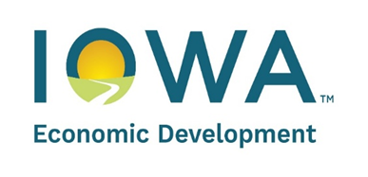
The City Development Board (“Board”) provides this tool for general informational purposes only and is not intended to serve as a precise statement of Iowa law concerning boundary adjustments. For further information, review Iowa Code Chapter 368 and Iowa Administrative Rule 263. Should you have legal questions concerning the boundary adjustment process, including annexations, city personnel are strongly encouraged to contact their City Attorney.

How to use this tool:
1) Enter the City receipt date and the City Council hearing date in the light blue input cells.
2) The timeline dates will calculate automatically; do not edit the task table.
3) Table content is locked to protect formulas.

