Instructions
Instructions for Completing the Socioeconomic Assessment Worksheet

Begin on the "FY26 - by Place" tab by entering the applicant name and a basic description of the project being financed.

Enter or select each community that makes up the utility's service area in the blue boxes below, along with the corresponding percent
of population served (must equal 100%). A weighted average for each metric will be calculated and assigned points.

Example:
A utility serves two communities with a combined service population of 3,000 (we'll use Akron and Westfield for illustration purposes):

 |  | Akron | Westfield | Total
 | Population Served | 1,500 | 1,500 | 3,000
 | Weighted Percent | 50.00% | 50.00% | 100.00%

Enter or select both Akron and Westfield as shown below and enter the respective percent of population served. If not entered
correctly (e.g., the percentages don't sum to 100%), an error message will display and the weighted average result will not calculate:

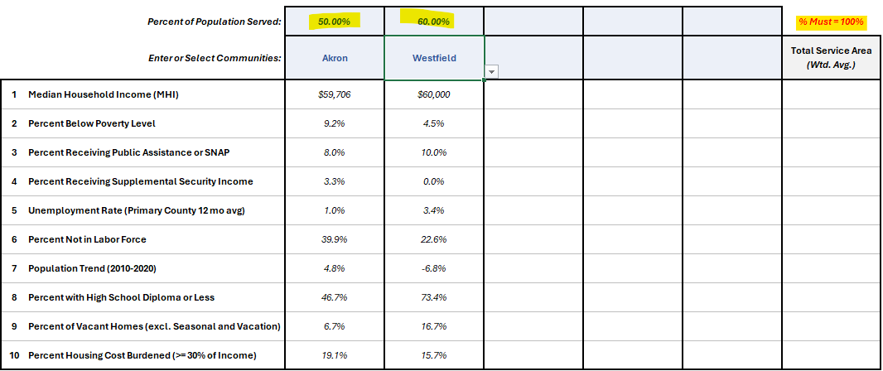

Once the percentages are corrected and sum to 100%, the weighted average result will be displayed:

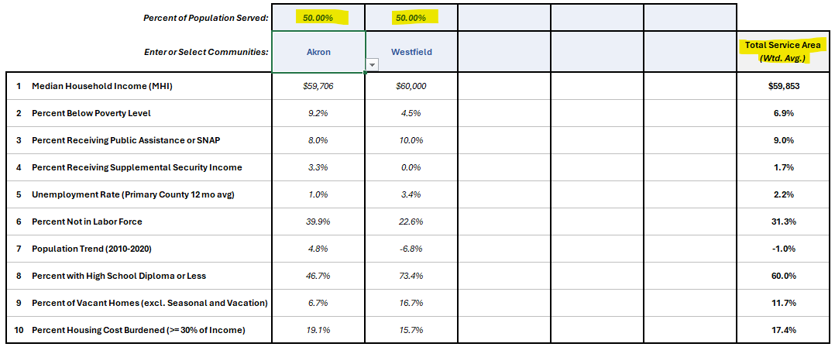

The Socioeconomic Assessment will display how the service area's metrics compare to state of Iowa as a whole:

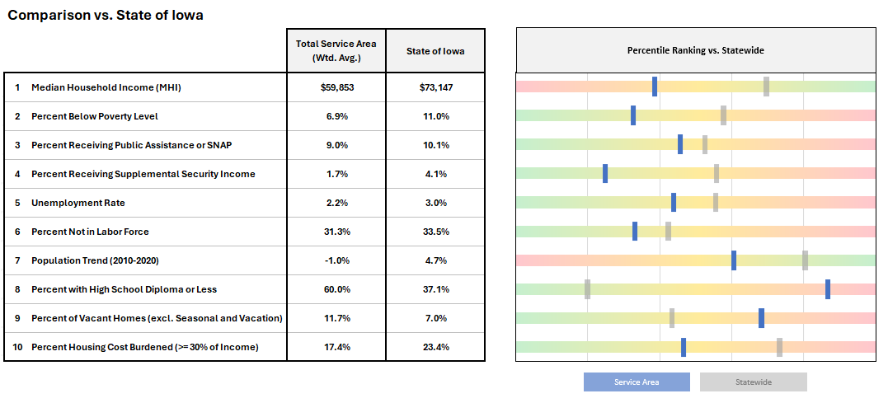

Print to PDF or save the workbook to include with your SRF Construction Loan Application.

FY26 - by "Place"
 | Socioeconomic Assessment Worksheet
 | State Fiscal Year 2026

 |  |  |  |  |  | Name of Applicant:

 |  |  |  |  |  | Project:

 |  | Percent of Population Served: |  |  |  |  |  | % Must total 100% | 0.00%
 |  | Enter or Select Communities: |  |  |  |  |  | Total Service Area (Wtd. Avg.) | Points
5 | 1 | Median Household Income (MHI) | $0 | $0 | $0 | $0 | $0
6 | 2 | Percent Below Poverty Level | 0.0% | 0.0% | 0.0% | 0.0% | 0.0%
9 | 3 | Percent Receiving Public Assistance or SNAP | 0.0% | 0.0% | 0.0% | 0.0% | 0.0%
12 | 4 | Percent Receiving Supplemental Security Income | 0.0% | 0.0% | 0.0% | 0.0% | 0.0%
13 | 5 | Unemployment Rate | 0.0% | 0.0% | 0.0% | 0.0% | 0.0%
14 | 6 | Percent Not in Labor Force | 0.0% | 0.0% | 0.0% | 0.0% | 0.0%
15 | 7 | Population Trend (2010-2020) | 0.0% | 0.0% | 0.0% | 0.0% | 0.0%
19 | 8 | Percent with High School Diploma or Less | 0.0% | 0.0% | 0.0% | 0.0% | 0.0%
23 | 9 | Percent of Vacant Homes (excl. Seasonal and Vacation) | 0.0% | 0.0% | 0.0% | 0.0% | 0.0%
35 | 10 | Percent Housing Cost Burdened (>= 30% of Income) | 0.0% | 0.0% | 0.0% | 0.0% | 0.0%
 |  |  |  |  |  |  |  | TOTAL

 | Comparison vs. State of Iowa
36 |  |  | Total Service Area (Wtd. Avg.) | State of Iowa
5 | 1 | Median Household Income (MHI) |  | $73,147
6 | 2 | Percent Below Poverty Level |  | 11.0%
9 | 3 | Percent Receiving Public Assistance or SNAP |  | 10.1%
12 | 4 | Percent Receiving Supplemental Security Income |  | 4.1%
13 | 5 | Unemployment Rate |  | 3.0%
14 | 6 | Percent Not in Labor Force |  | 33.5% |  |  |  |  |  | Slider Position | Spectrum | Slider Fill | Slider Size
15 | 7 | Population Trend (2010-2020) |  | 4.7% |  |  |  |  |  | #VALUE! | 10.00 | #VALUE! | 0.15
19 | 8 | Percent with High School Diploma or Less |  | 37.1% |  |  |  |  |  | #VALUE! | 10.00 | #VALUE! | 0.15
23 | 9 | Percent of Vacant Homes (excl. Seasonal and Vacation) |  | 7.0% |  |  |  |  |  | #VALUE! | 10.00 | #VALUE! | 0.15
35 | 10 | Percent Housing Cost Burdened (>= 30% of Income) |  | 23.4% |  |  |  |  |  | #VALUE! | 10.00 | #VALUE! | 0.15
Service Area
Statewide
 |  |  |  |  |  |  |  |  |  | #VALUE! | 10.00 | #VALUE! | 0.15
 |  |  |  |  |  |  |  |  |  | #VALUE! | 10.00 | #VALUE! | 0.15
 |  |  |  |  |  |  |  |  |  | #VALUE! | 10.00 | #VALUE! | 0.15
 |  |  |  |  |  |  |  |  |  | #VALUE! | 10.00 | #VALUE! | 0.15
 |  |  |  |  |  |  |  |  |  | #VALUE! | 10.00 | #VALUE! | 0.15
 |  |  |  |  |  |  |  |  |  | #VALUE! | 10.00 | #VALUE! | 0.15

 |  |  |  |  |  |  |  |  |  | Slider Pos 2 | Spectrum 2 | Slider Fill 2 | Slider Size 2
 |  |  |  |  |  |  |  |  |  | 7.01 | 10.00 | 6.86 | 0.15
 |  |  |  |  |  |  |  |  |  | 5.80 | 10.00 | 5.65 | 0.15
 |  |  |  |  |  |  |  |  |  | 5.28 | 10.00 | 5.13 | 0.15
 |  |  |  |  |  |  |  |  |  | 5.61 | 10.00 | 5.46 | 0.15
 |  |  |  |  |  |  |  |  |  | 5.58 | 10.00 | 5.43 | 0.15
 |  |  |  |  |  |  |  |  |  | 4.25 | 10.00 | 4.10 | 0.15
 |  |  |  |  |  |  |  |  |  | 8.10 | 10.00 | 7.95 | 0.15
 |  |  |  |  |  |  |  |  |  | 1.98 | 10.00 | 1.83 | 0.15
 |  |  |  |  |  |  |  |  |  | 4.35 | 10.00 | 4.20 | 0.15
 |  |  |  |  |  |  |  |  |  | 7.38 | 10.00 | 7.23 | 0.15

FY26 - for Large Service Area
Socioeconomic Assessment Worksheet
State Fiscal Year 2026

 |  |  |  |  |  |  |  | Name of Applicant: | Des Moines Wastewater Reclamation Authority (WRA)

 |  |  |  |  |  |  |  | Project:
 |  | 5 |  | 5 | 6 | 9 | 12 | 13 | 14 | 15 | 19 | 23 | 35
 | Community | Population Served | Percent of Population Served | Median Household Income (MHI) | Percent Below Poverty Level | Percent Receiving Public Assistance or SNAP | Percent Receiving Supplemental Security Income | Unemployment Rate | Percent Not in Labor Force | Population Trend (2010-2020) | Percent with High School Diploma or Less | Percent of Vacant Homes (excl. Seasonal and Vacation) | Percent Housing Cost Burdened (>= 30% of Income)
1 | Altoona | 19,565 | 3.6% | $87,123 | 7.2% | 6.0% | 3.8% | 6.7% | 27.7% | 34.6% | 35.3% | 3.6% | 25.5%
2 | Ankeny | 67,887 | 12.6% | $106,603 | 4.1% | 3.6% | 1.6% | 2.2% | 23.6% | 48.9% | 18.1% | 3.7% | 21.6%
3 | Bondurant | 7,365 | 1.4% | $128,341 | 6.2% | 2.2% | 2.5% | 0.7% | 19.2% | 90.8% | 22.2% | 2.0% | 18.9%
4 | Clive | 18,601 | 3.4% | $131,082 | 4.8% | 4.9% | 1.5% | 3.2% | 27.6% | 20.4% | 17.1% | 4.7% | 19.2%
5 | Cumming | 440 | 0.1% | $160,357 | 2.2% | 4.1% | 10.3% | 0.9% | 23.5% | 24.2% | 17.4% | 3.4% | 7.2%
6 | Des Moines | 214,113 | 39.7% | $63,966 | 14.9% | 17.5% | 4.5% | 5.7% | 29.3% | 5.3% | 41.9% | 7.1% | 31.2%
7 | Grimes | 15,392 | 2.9% | $104,497 | 6.8% | 7.5% | 4.9% | 6.3% | 23.6% | 86.7% | 27.8% | 1.2% | 18.6%
8 | Johnston | 24,064 | 4.5% | $103,430 | 7.6% | 4.9% | 2.6% | 1.8% | 28.7% | 39.3% | 17.1% | 3.2% | 22.6%
9 | Norwalk | 12,799 | 2.4% | $94,583 | 3.2% | 8.7% | 3.0% | 2.7% | 25.9% | 43.1% | 23.3% | 4.6% | 18.8%
10 | Pleasant Hill | 10,147 | 1.9% | $86,890 | 9.9% | 12.0% | 2.7% | 7.5% | 37.6% | 15.5% | 36.2% | 6.0% | 26.5%
11 | Polk City | 5,543 | 1.0% | $163,000 | 5.5% | 0.6% | 2.9% | 2.0% | 21.3% | 62.2% | 19.9% | 1.3% | 16.7%
12 | Urbandale | 41,287 | 7.7% | $113,086 | 6.3% | 5.5% | 1.6% | 2.9% | 28.8% | 15.5% | 23.1% | 4.5% | 18.6%
13 | Waukee | 23,940 | 4.4% | $106,728 | 7.3% | 5.5% | 1.2% | 4.1% | 21.7% | 73.6% | 15.9% | 3.4% | 24.5%
14 | West Des Moines | 68,723 | 12.7% | $84,925 | 7.3% | 7.7% | 2.6% | 2.5% | 26.1% | 21.4% | 19.9% | 4.6% | 25.0%
15 | Windsor Heights | 9,543 | 1.8% | $89,083 | 6.9% | 13.1% | 6.2% | 1.8% | 35.1% | 8.1% | 23.9% | 11.2% | 23.9%
 |  |  | 0.0% | $0 | 0.0% | 0.0% | 0.0% | 0.0% | 0.0% | 0.0% | 0.0% | 0.0% | 0.0%
 |  |  | 0.0% | $0 | 0.0% | 0.0% | 0.0% | 0.0% | 0.0% | 0.0% | 0.0% | 0.0% | 0.0%
 |  |  | 0.0% | $0 | 0.0% | 0.0% | 0.0% | 0.0% | 0.0% | 0.0% | 0.0% | 0.0% | 0.0%
 |  |  | 0.0% | $0 | 0.0% | 0.0% | 0.0% | 0.0% | 0.0% | 0.0% | 0.0% | 0.0% | 0.0%
 |  |  | 0.0% | $0 | 0.0% | 0.0% | 0.0% | 0.0% | 0.0% | 0.0% | 0.0% | 0.0% | 0.0%

Total Service Area (Wtd. Avg.) |  | 539,409 | 100.0% | $87,309 | 9.7% | 10.6% | 3.2% | 4.1% | 27.4% | 25.0% | 29.5% | 5.3% | 25.7%

 |  |  | Weighted Average Points | 0 | 1 | 1 | 1 | 2 | 0 | 0 | 0 | 0 | 2

 |  |  |  |  |  |  |  |  |  |  |  | Total Points | 7
Comparison vs. State of Iowa
 |  |  | Total Service Area (Wtd. Avg.) | State of Iowa
1 | Median Household Income (MHI) |  | $87,309 | $73,147
2 | Percent Below Poverty Level |  | 9.7% | 11.0%
3 | Percent Receiving Public Assistance or SNAP |  | 10.6% | 10.1%
4 | Percent Receiving Supplemental Security Income |  | 3.2% | 4.1%
5 | Unemployment Rate |  | 4.1% | 3.0%
6 | Percent Not in Labor Force |  | 27.4% | 33.5% |  |  |  |  |  |  |  |  |  | Slider Position | Spectrum | Slider Fill | Slider Size
7 | Population Trend (2010-2020) |  | 25.0% | 4.7% |  |  |  |  |  |  |  |  |  | 8.87 | 10.00 | 8.72 | 0.15
8 | Percent with High School Diploma or Less |  | 29.5% | 37.1% |  |  |  |  |  |  |  |  |  | 5.10 | 10.00 | 4.95 | 0.15
9 | Percent of Vacant Homes (excl. Seasonal and Vacation) |  | 5.3% | 7.0% |  |  |  |  |  |  |  |  |  | 5.55 | 10.00 | 5.40 | 0.15
10 | Percent Housing Cost Burdened (>= 30% of Income) |  | 25.7% | 23.4% |  |  |  |  |  |  |  |  |  | 4.59 | 10.00 | 4.44 | 0.15
Service Area
Statewide
 |  |  |  |  |  |  |  |  |  |  |  |  |  | 6.95 | 10.00 | 6.80 | 0.15
 |  |  |  |  |  |  |  |  |  |  |  |  |  | 1.96 | 10.00 | 1.81 | 0.15
 |  |  |  |  |  |  |  |  |  |  |  |  |  | 9.70 | 10.00 | 9.55 | 0.15
 |  |  |  |  |  |  |  |  |  |  |  |  |  | 0.92 | 10.00 | 0.77 | 0.15
 |  |  |  |  |  |  |  |  |  |  |  |  |  | 3.26 | 10.00 | 3.11 | 0.15
 |  |  |  |  |  |  |  |  |  |  |  |  |  | 8.17 | 10.00 | 8.02 | 0.15

 |  |  |  |  |  |  |  |  |  |  |  |  |  | Slider Pos 2 | Spectrum 2 | Slider Fill 2 | Slider Size 2
 |  |  |  |  |  |  |  |  |  |  |  |  |  | 7.01 | 10.00 | 6.86 | 0.15
 |  |  |  |  |  |  |  |  |  |  |  |  |  | 5.80 | 10.00 | 5.65 | 0.15
 |  |  |  |  |  |  |  |  |  |  |  |  |  | 5.28 | 10.00 | 5.13 | 0.15
 |  |  |  |  |  |  |  |  |  |  |  |  |  | 5.61 | 10.00 | 5.46 | 0.15
 |  |  |  |  |  |  |  |  |  |  |  |  |  | 5.58 | 10.00 | 5.43 | 0.15
 |  |  |  |  |  |  |  |  |  |  |  |  |  | 4.25 | 10.00 | 4.10 | 0.15
 |  |  |  |  |  |  |  |  |  |  |  |  |  | 8.10 | 10.00 | 7.95 | 0.15
 |  |  |  |  |  |  |  |  |  |  |  |  |  | 1.98 | 10.00 | 1.83 | 0.15
 |  |  |  |  |  |  |  |  |  |  |  |  |  | 4.35 | 10.00 | 4.20 | 0.15
 |  |  |  |  |  |  |  |  |  |  |  |  |  | 7.38 | 10.00 | 7.23 | 0.15

